Hiearchy View
CLASS: VARIABLE SPEED LIMIT SIGN
seen on highways and high-speed arterial roads, variable speed signs can be used to modify speed limits in the event of inclement weather, congestion, and other roadway |  | 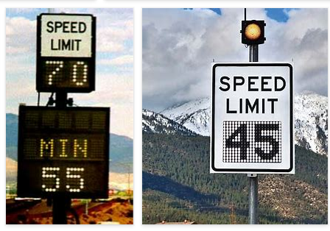
REMOVE | N

PROBLEM_DESC | CAUSE_DESC | REMEDY_DESC
ALARM/SENSOR
BROKEN/DAMAGED
LIGHTING
OTHER PROBLEM
OVERHEATING
POWER-ELEC
STOPPED/SLOWED/POOR OPS
TEMP-CTRL
VIBRATION
Grand Total

